Sheet1
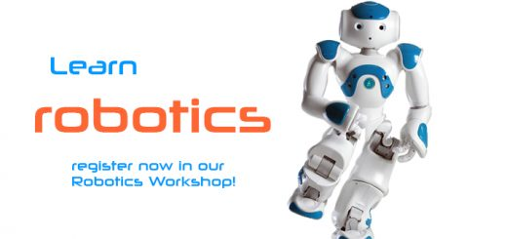


ROBOTICS WORKSHOP REGISTRATION

Name :
School/College Name :
Contact Number :
Address :
Parents Name :
Parents Contact Number :
Do you know any Programming Language ? | YES ( ) NO( )
Did you attended any Robotic Workshop Before ? | YES ( ) NO( )
Participated in any science Exbition ? | YES ( ) NO( )

